Compile
XGBoost model: training and validation scores (1km buffer datasets)
XGBoost model traning and validation scores for 1km buffer datasets
1km_buffer | SS01_1K |  | TS01_1K |  | TS02_1K |  | TS03_1K |  | TS04_1K |  | TS05_1K |  | TS_Avg_1k
 | mean | std | mean | std | mean | std | mean | std | mean | std | mean | std | mean | std
Valid_accuracy | 0.77 | 0.05 | 0.70 | 0.04 | 0.70 | 0.07 | 0.70 | 0.05 | 0.69 | 0.02 | 0.70 | 0.04 | 0.70 | 0.04
train_accuracy | 0.79 | 0.01 | 0.73 | 0.01 | 0.74 | 0.01 | 0.74 | 0.02 | 0.72 | 0.01 | 0.73 | 0.01 | 0.73 | 0.01
Valid_precision | 0.80 | 0.06 | 0.71 | 0.04 | 0.76 | 0.11 | 0.72 | 0.06 | 0.70 | 0.02 | 0.69 | 0.04 | 0.71 | 0.06
train_precision | 0.81 | 0.01 | 0.74 | 0.01 | 0.79 | 0.03 | 0.75 | 0.03 | 0.73 | 0.02 | 0.73 | 0.02 | 0.75 | 0.02
Valid_recall | 0.73 | 0.06 | 0.70 | 0.09 | 0.61 | 0.08 | 0.70 | 0.08 | 0.69 | 0.07 | 0.73 | 0.08 | 0.69 | 0.08
train_recall | 0.76 | 0.03 | 0.72 | 0.01 | 0.65 | 0.03 | 0.72 | 0.03 | 0.71 | 0.04 | 0.75 | 0.02 | 0.71 | 0.03
Valid_f1 | 0.76 | 0.05 | 0.70 | 0.05 | 0.67 | 0.07 | 0.70 | 0.05 | 0.69 | 0.04 | 0.71 | 0.05 | 0.70 | 0.05
train_f1 | 0.78 | 0.02 | 0.73 | 0.01 | 0.72 | 0.02 | 0.74 | 0.02 | 0.72 | 0.01 | 0.74 | 0.01 | 0.73 | 0.01

XGBoost model testing scores for 1km buffer datasets
1km_buffer | SS01_1K | TS01_1K | TS02_1K | TS03_1K | TS04_1K | TS05_1K | TS_Avg_1k
Test_accuracy | 0.78 | 0.76 | 0.67 | 0.70 | 0.70 | 0.72 | 0.71
Test_precision | 0.78 | 0.76 | 0.68 | 0.70 | 0.70 | 0.72 | 0.71
Test_recall | 0.78 | 0.76 | 0.67 | 0.70 | 0.70 | 0.72 | 0.71
Test_f1 | 0.78 | 0.76 | 0.67 | 0.70 | 0.70 | 0.72 | 0.71

XGBoost model: training and validation scores (3km buffer datasets)
XGBoost model traning and validation scores for 3km buffer datasets
3km_buffer | SS01_3K |  | TS01_3K |  | TS02_3K |  | TS03_3K |  | TS04_3K |  | TS05_3K |  | TS_Avg_3k
 | mean | std | mean | std | mean | std | mean | std | mean | std | mean | std | mean | std
Valid_accuracy | 0.80 | 0.05 | 0.74 | 0.03 | 0.74 | 0.03 | 0.74 | 0.03 | 0.72 | 0.06 | 0.72 | 0.02 | 0.73 | 0.03
train_accuracy | 0.85 | 0.01 | 0.83 | 0.01 | 0.82 | 0.01 | 0.81 | 0.01 | 0.79 | 0.01 | 0.80 | 0.01 | 0.81 | 0.01
Valid_precision | 0.83 | 0.04 | 0.75 | 0.05 | 0.75 | 0.03 | 0.75 | 0.04 | 0.75 | 0.07 | 0.72 | 0.02 | 0.74 | 0.04
train_precision | 0.90 | 0.02 | 0.84 | 0.02 | 0.82 | 0.01 | 0.82 | 0.02 | 0.81 | 0.02 | 0.81 | 0.01 | 0.82 | 0.01
Valid_recall | 0.75 | 0.07 | 0.76 | 0.05 | 0.75 | 0.05 | 0.75 | 0.05 | 0.70 | 0.07 | 0.74 | 0.07 | 0.74 | 0.06
train_recall | 0.81 | 0.02 | 0.82 | 0.01 | 0.82 | 0.02 | 0.80 | 0.01 | 0.76 | 0.01 | 0.81 | 0.02 | 0.81 | 0.01
Valid_f1 | 0.79 | 0.06 | 0.75 | 0.03 | 0.75 | 0.03 | 0.75 | 0.03 | 0.72 | 0.06 | 0.73 | 0.03 | 0.74 | 0.04
XGboost model performance on 3km buffer datasets
train_f1 | 0.85 | 0.01 | 0.83 | 0.01 | 0.82 | 0.01 | 0.81 | 0.01 | 0.79 | 0.01 | 0.81 | 0.01 | 0.81 | 0.01

XGBoost model testing scores for 3km buffer datasets
1km_buffer | SS01_3K | TS01_3K | TS02_3K | TS03_3K | TS04_3K | TS05_3K | TS_Avg_3k
Test_accuracy | 0.83 | 0.76 | 0.77 | 0.78 | 0.73 | 0.79 | 0.77
Test_precision | 0.84 | 0.76 | 0.77 | 0.78 | 0.73 | 0.79 | 0.77
Test_recall | 0.83 | 0.76 | 0.77 | 0.78 | 0.73 | 0.79 | 0.77
Test_f1 | 0.83 | 0.76 | 0.77 | 0.78 | 0.73 | 0.79 | 0.77

TS01_1k
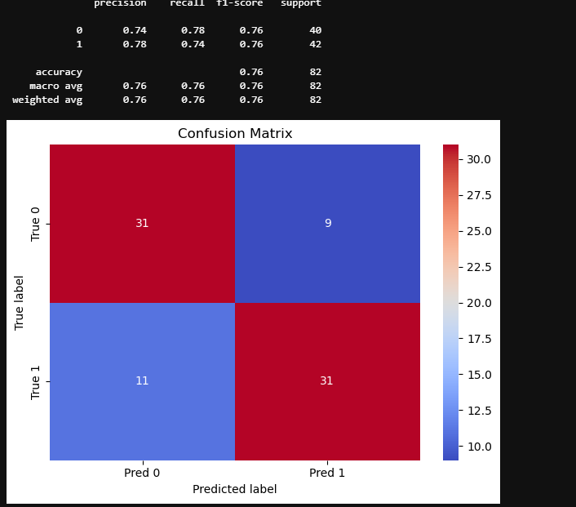
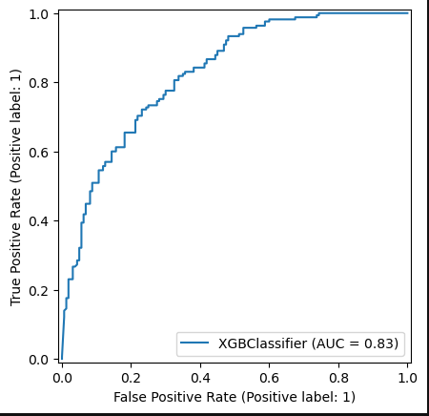
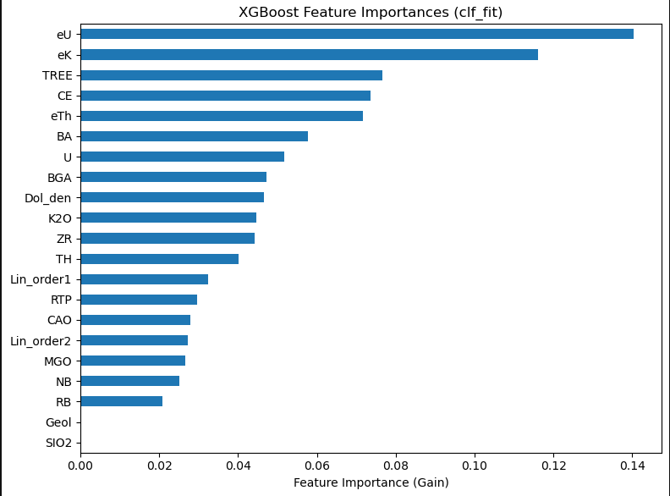
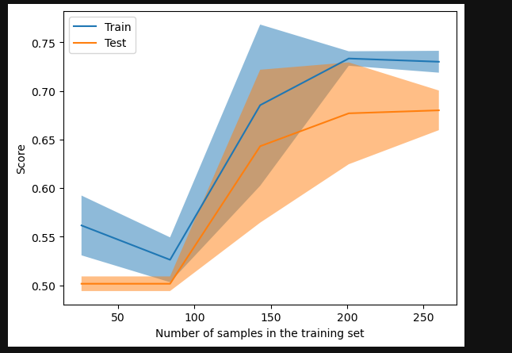
mean | std
fit_time | 0.033752 | 0.013676
score_time | 0.00954 | 0.005142
test_accuracy | 0.698462 | 0.037051
train_accuracy | 0.733077 | 0.005833
test_precision | 0.705633 | 0.042078
train_precision | 0.744993 | 0.00699
test_recall | 0.70303 | 0.089381
train_recall | 0.721212 | 0.014572
test_f1 | 0.701255 | 0.04772
train_f1 | 0.732824 | 0.007454

TS02_1k
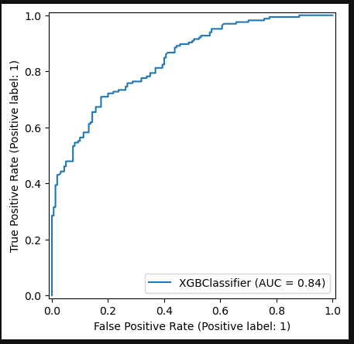
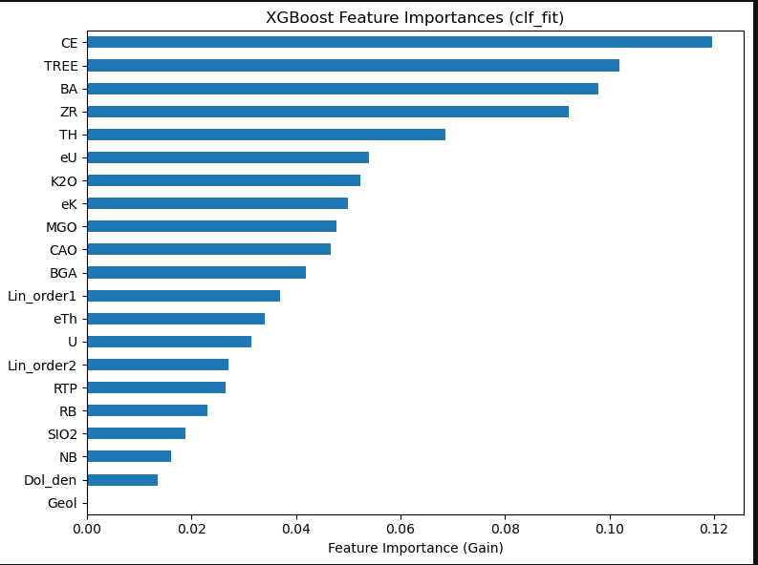
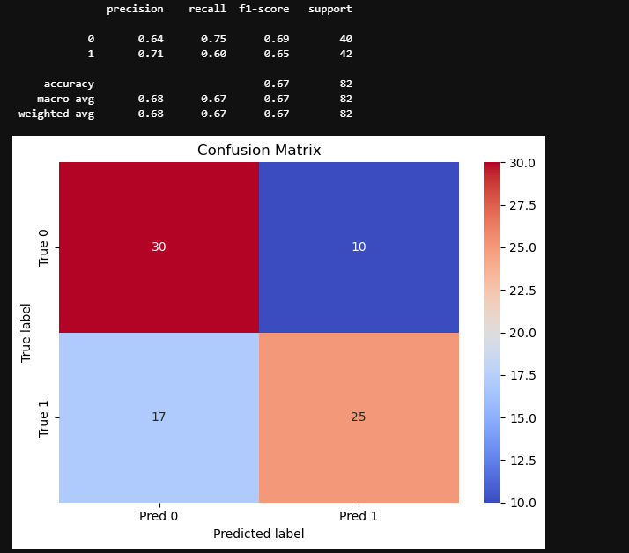
mean | std
fit_time | 0.028675 | 0.009453
score_time | 0.008596 | 0.005586
test_accuracy | 0.695385 | 0.067412
train_accuracy | 0.736154 | 0.014027
test_precision | 0.755262 | 0.111654
train_precision | 0.791054 | 0.027569
test_recall | 0.606061 | 0.077258
train_recall | 0.654545 | 0.033282
test_f1 | 0.668944 | 0.072131
train_f1 | 0.715592 | 0.017481

TS03_1k
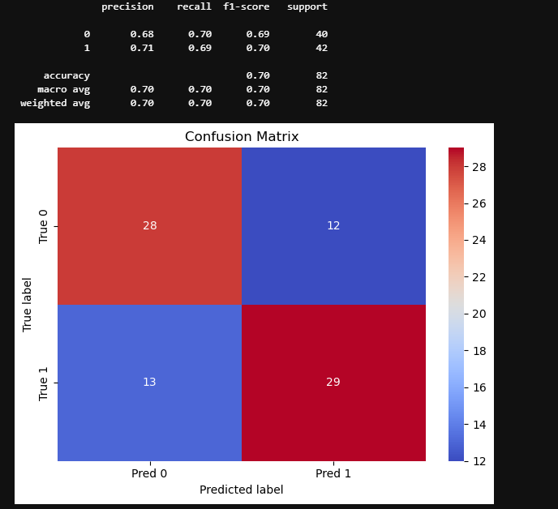
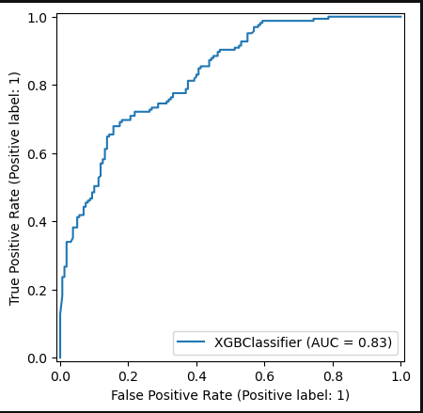
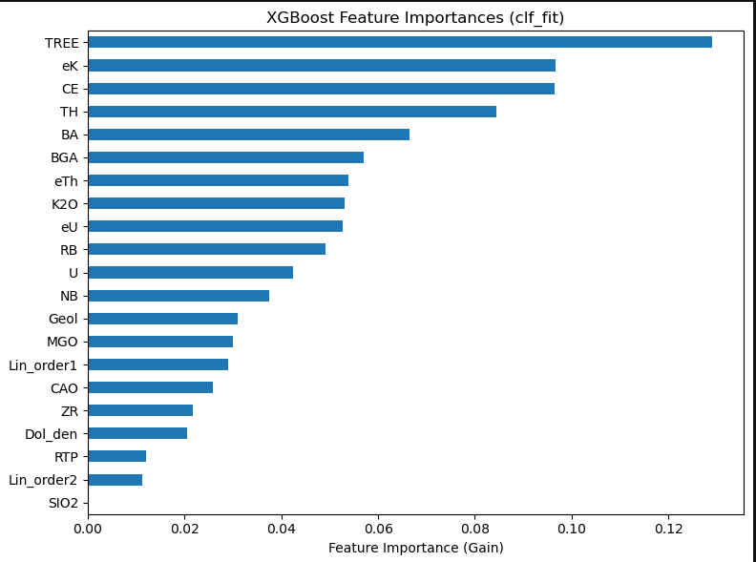
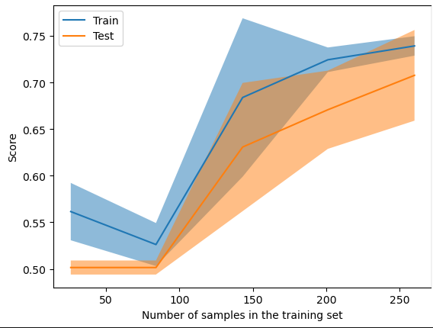
mean | std
fit_time | 0.029648 | 0.012713
score_time | 0.008004 | 0.007567
test_accuracy | 0.701538 | 0.045638
train_accuracy | 0.738462 | 0.019231
test_precision | 0.715006 | 0.060911
train_precision | 0.752909 | 0.03032
test_recall | 0.69697 | 0.077258
train_recall | 0.724242 | 0.031051
test_f1 | 0.702722 | 0.0468
train_f1 | 0.737616 | 0.018149

TS04_1k
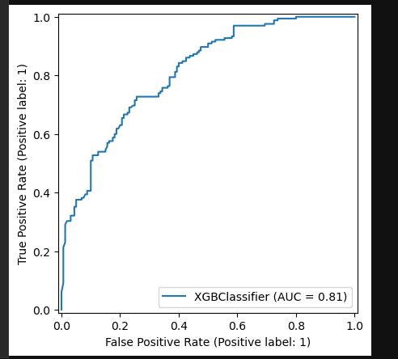
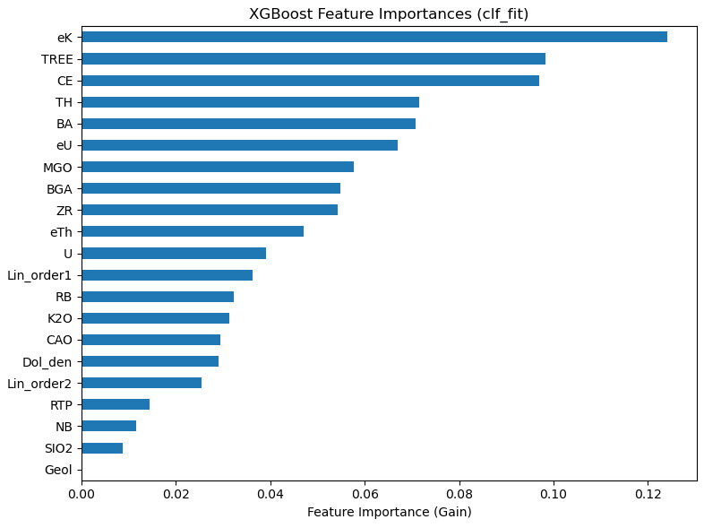
mean | std
fit_time | 0.030107 | 0.01137
score_time | 0.007427 | 0.005138

test_accuracy | 0.692308 | 0.024325
train_accuracy | 0.720769 | 0.007976
test_precision | 0.699785 | 0.018213
train_precision | 0.731156 | 0.017829
test_recall | 0.690909 | 0.069102
train_recall | 0.713636 | 0.038405
test_f1 | 0.693754 | 0.037978
train_f1 | 0.721477 | 0.014652

TS05_1k
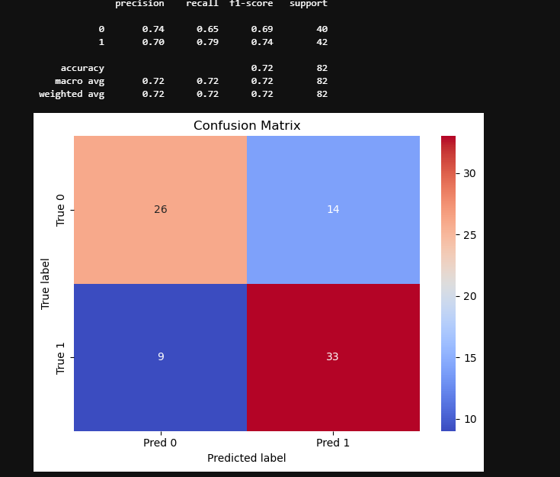
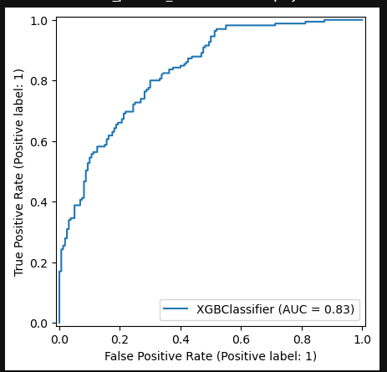
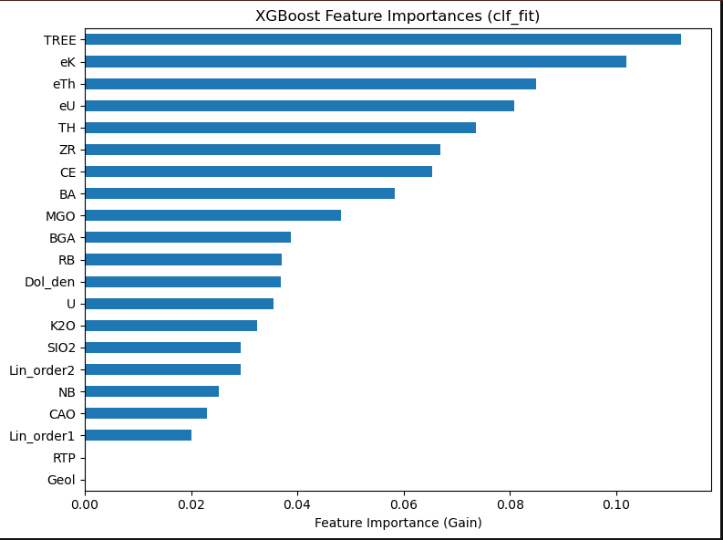
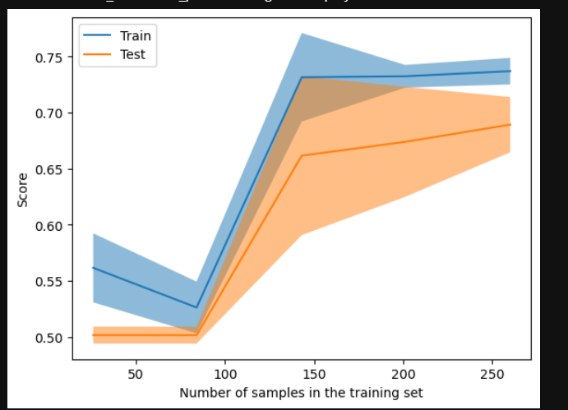
mean | std
fit_time | 0.033251 | 0.00665
score_time | 0.010708 | 0.006522
test_accuracy | 0.698462 | 0.041567
train_accuracy | 0.734615 | 0.014646
test_precision | 0.693036 | 0.044657
train_precision | 0.733589 | 0.016948
test_recall | 0.733333 | 0.081312
train_recall | 0.75 | 0.022087
test_f1 | 0.710572 | 0.048017
train_f1 | 0.741523 | 0.014844

SS01_1k
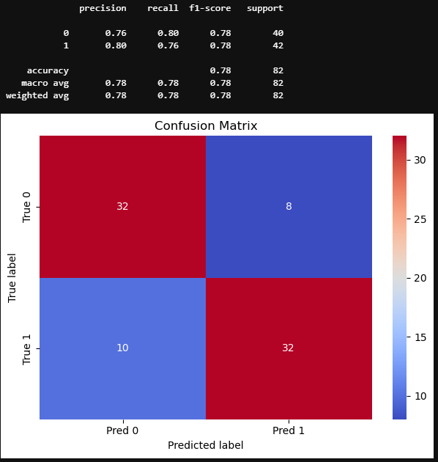
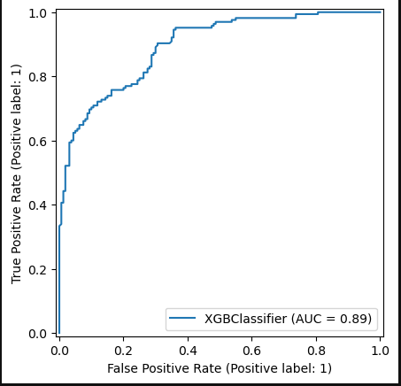
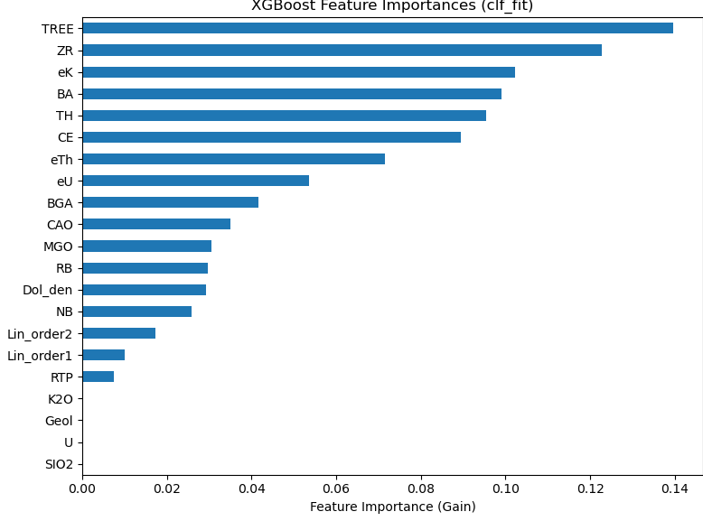
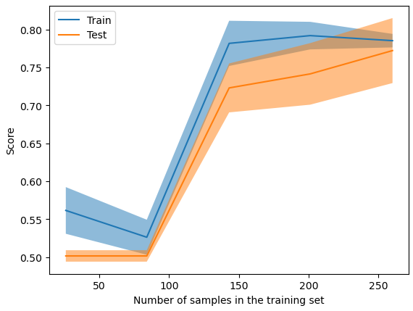
mean | std
fit_time | 0.035045 | 0.008611
score_time | 0.010057 | 0.00157 | test_accuracy | 0.766154 | 0.050324 | 0.698462 | 0.037051 | 0.695385 | 0.067412 | 0.701538 | 0.045638 | 0.692308 | 0.024325 | 0.698462 | 0.041567
test_accuracy | 0.766154 | 0.050324 | train_accuracy | 0.787692 | 0.011014 | 0.733077 | 0.005833 | 0.736154 | 0.014027 | 0.738462 | 0.019231 | 0.720769 | 0.007976 | 0.734615 | 0.014646
train_accuracy | 0.787692 | 0.011014 | test_precision | 0.795812 | 0.059429 | 0.705633 | 0.042078 | 0.755262 | 0.111654 | 0.715006 | 0.060911 | 0.699785 | 0.018213 | 0.693036 | 0.044657
test_precision | 0.795812 | 0.059429 | train_precision | 0.810845 | 0.007744 | 0.744993 | 0.00699 | 0.791054 | 0.027569 | 0.752909 | 0.03032 | 0.731156 | 0.017829 | 0.733589 | 0.016948
train_precision | 0.810845 | 0.007744 | test_recall | 0.727273 | 0.056692 | 0.70303 | 0.089381 | 0.606061 | 0.077258 | 0.69697 | 0.077258 | 0.690909 | 0.069102 | 0.733333 | 0.081312
test_recall | 0.727273 | 0.056692 | train_recall | 0.759091 | 0.031419 | 0.721212 | 0.014572 | 0.654545 | 0.033282 | 0.724242 | 0.031051 | 0.713636 | 0.038405 | 0.75 | 0.022087
train_recall | 0.759091 | 0.031419 | test_f1 | 0.759375 | 0.052111 | 0.701255 | 0.04772 | 0.668944 | 0.072131 | 0.702722 | 0.0468 | 0.693754 | 0.037978 | 0.710572 | 0.048017
test_f1 | 0.759375 | 0.052111 | train_f1 | 0.783783 | 0.015416 | 0.732824 | 0.007454 | 0.715592 | 0.017481 | 0.737616 | 0.018149 | 0.721477 | 0.014652 | 0.741523 | 0.014844
train_f1 | 0.783783 | 0.015416

TS01_3k
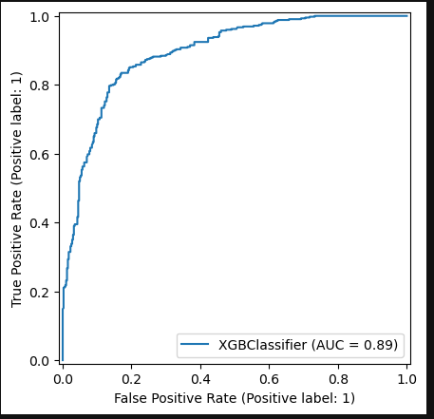
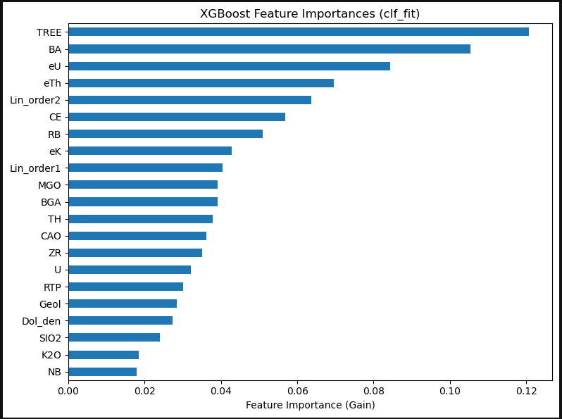
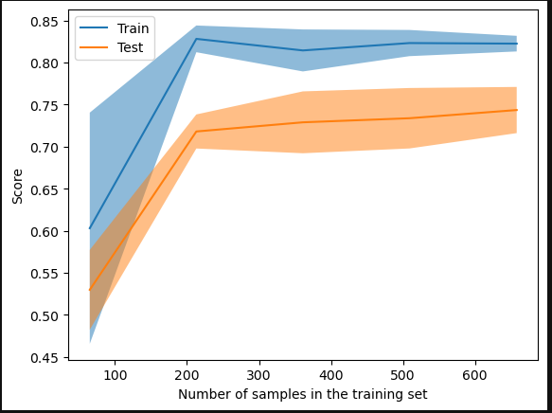
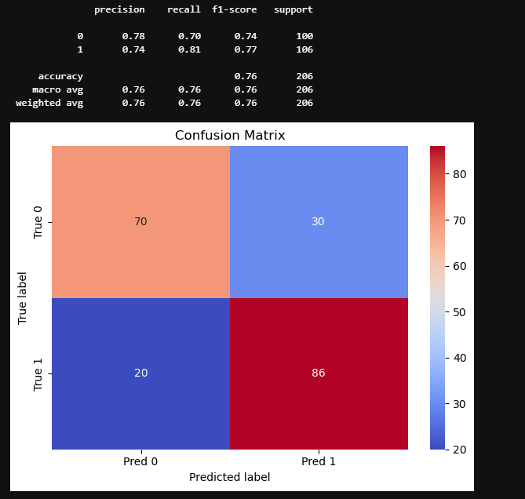
 | mean | std
fit_time | 0.144654 | 1.33E-02
score_time | 0.009 | 3.77E-07
test_accuracy | 0.742336 | 3.46E-02
train_accuracy | 0.828981 | 1.11E-02
test_precision | 0.747825 | 4.55E-02
train_precision | 0.840935 | 1.67E-02
test_recall | 0.756387 | 4.84E-02
train_recall | 0.82329 | 9.11E-03
test_f1 | 0.750948 | 3.32E-02
train_f1 | 0.831939 | 9.77E-03

TS02_3k
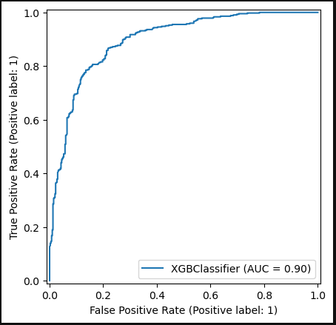
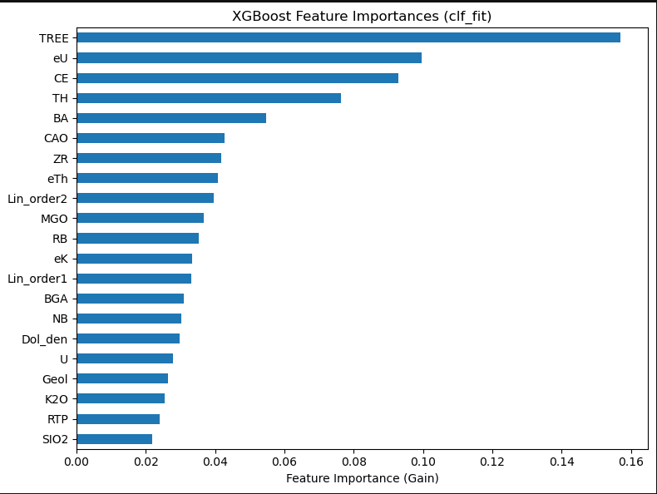
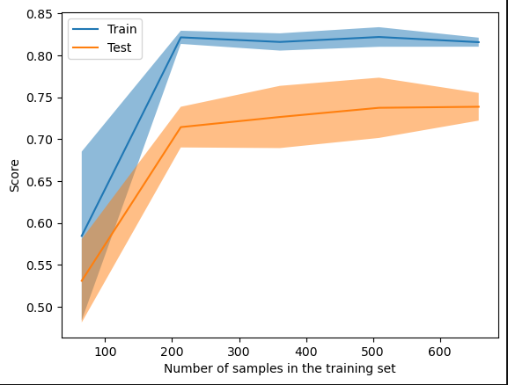
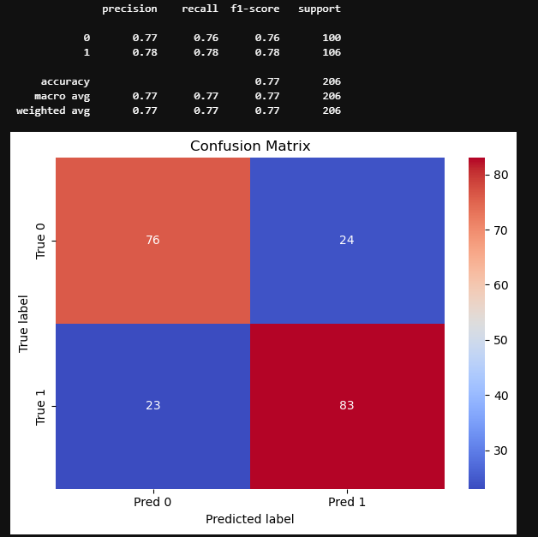
mean | std
fit_time | 0.146834 | 0.014204
score_time | 0.0088 | 0.000837
test_accuracy | 0.743629 | 0.026107
train_accuracy | 0.818955 | 0.006651
test_precision | 0.754054 | 0.034711
train_precision | 0.824366 | 0.00636
test_recall | 0.747059 | 0.047379
train_recall | 0.823288 | 0.019624
test_f1 | 0.749437 | 0.02719
train_f1 | 0.823689 | 0.008551

TS03_3k
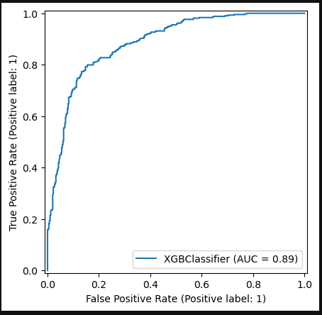
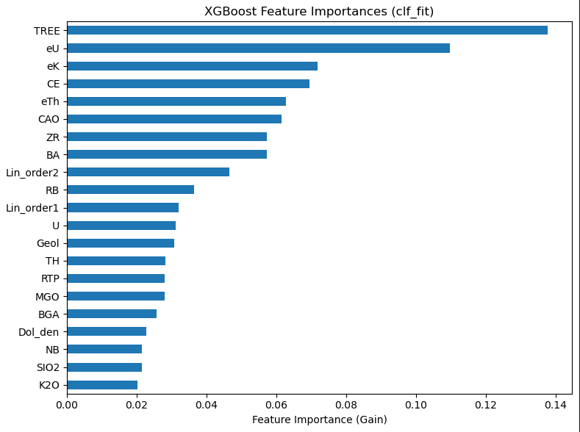
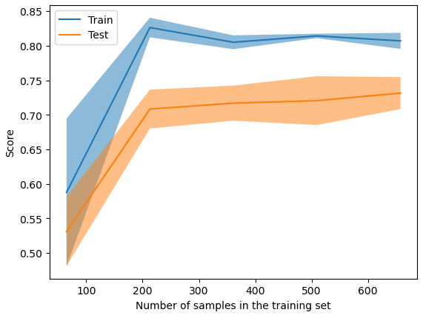
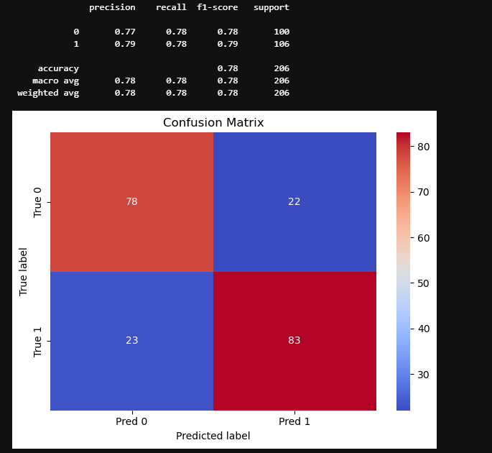
mean | std
fit_time | 0.143801 | 0.016983
score_time | 0.009132 | 0.000745
test_accuracy | 0.738736 | 0.031601
train_accuracy | 0.809842 | 0.010763
test_precision | 0.745427 | 0.042742
train_precision | 0.822203 | 0.017917
test_recall | 0.751709 | 0.052326
train_recall | 0.804367 | 0.007837
test_f1 | 0.747085 | 0.030158
train_f1 | 0.813081 | 0.008879

TS04_4k
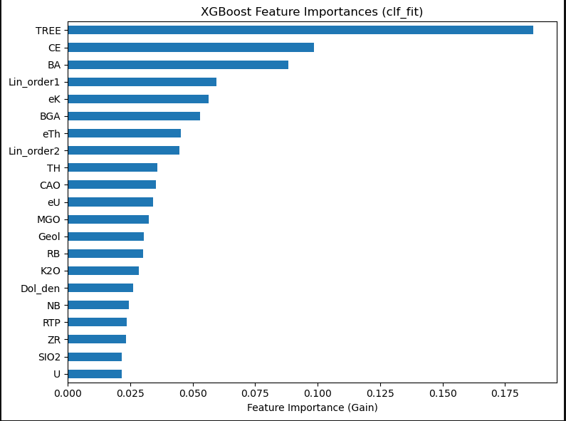
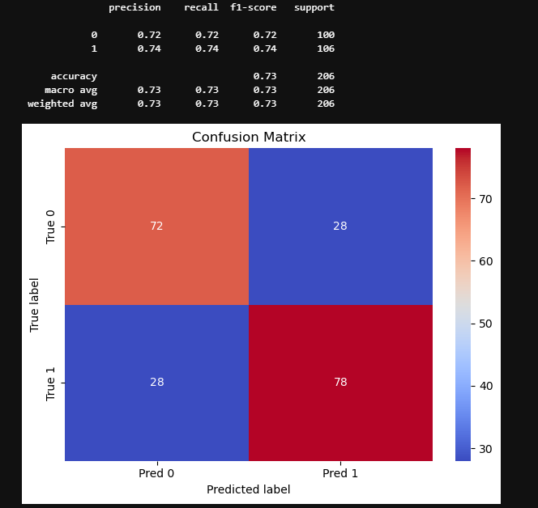
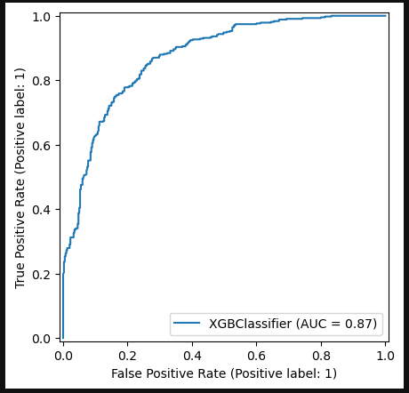
 | mean | std
fit_time | 0.127587 | 0.010194
score_time | 0.009202 | 0.000909
test_accuracy | 0.722956 | 0.061646
train_accuracy | 0.786752 | 0.008613
test_precision | 0.748341 | 0.065303
train_precision | 0.811211 | 0.015907
test_recall | 0.695098 | 0.068447
train_recall | 0.763006 | 0.006196
test_f1 | 0.720239 | 0.064372
train_f1 | 0.786277 | 0.00671

TS05_5k
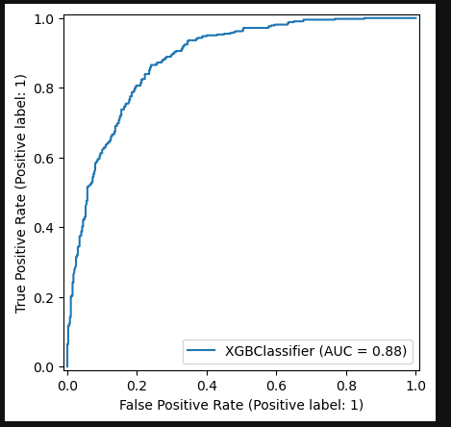
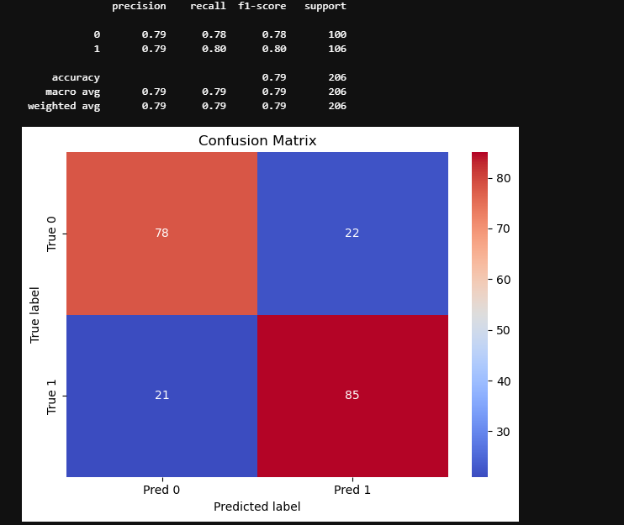
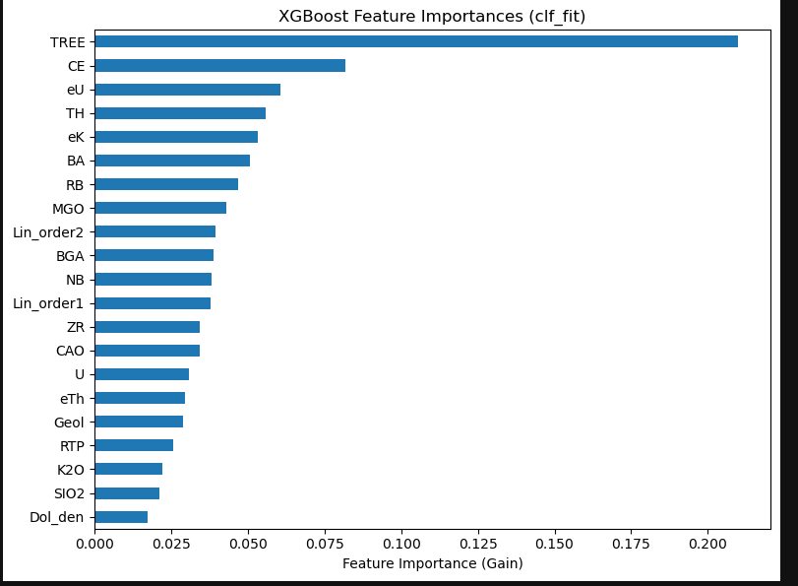
 | mean | std
fit_time | 0.146813 | 0.014112
score_time | 0.008801 | 0.001304
test_accuracy | 0.719335 | 0.017034
train_accuracy | 0.804684 | 0.014166
test_precision | 0.722169 | 0.015561
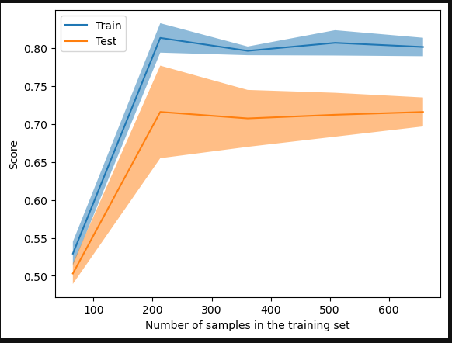
train_precision | 0.808487 | 0.014711
test_recall | 0.73986 | 0.066048
train_recall | 0.812662 | 0.019952
test_f1 | 0.729357 | 0.028475
train_f1 | 0.810461 | 0.014111

SS01_3k
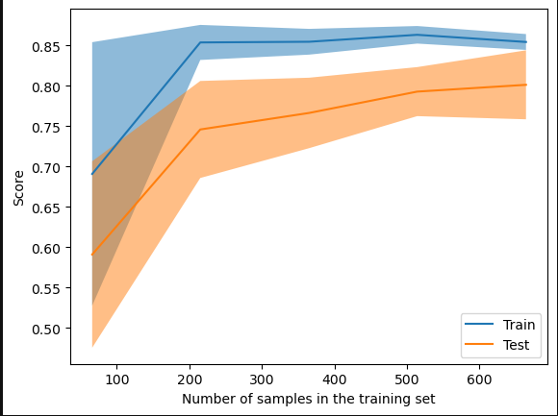
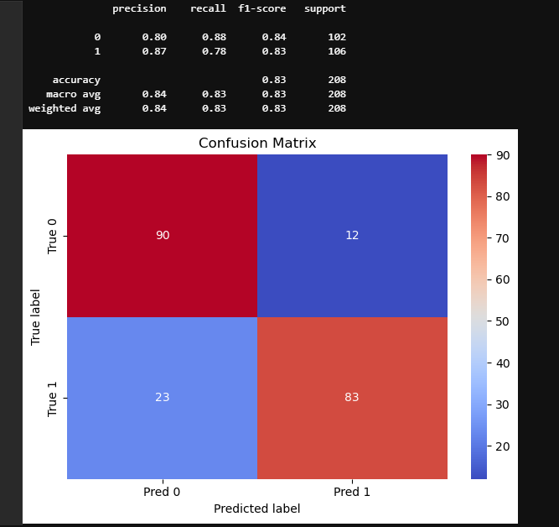

 | mean | std
fit_time | 0.15164 | 0.019835
score_time | 0.009304 | 0.000981
test_accuracy | 0.795361 | 0.048071
train_accuracy | 0.853787 | 0.012146
test_precision | 0.830771 | 0.037947
train_precision | 0.896378 | 0.015985
test_recall | 0.7493 | 0.072058
train_recall | 0.806135 | 0.017841
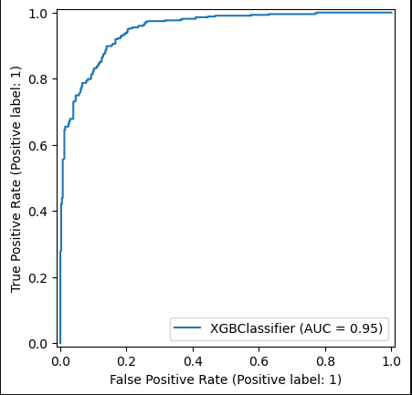
test_f1 | 0.787339 | 0.055254
train_f1 | 0.848745 | 0.013031

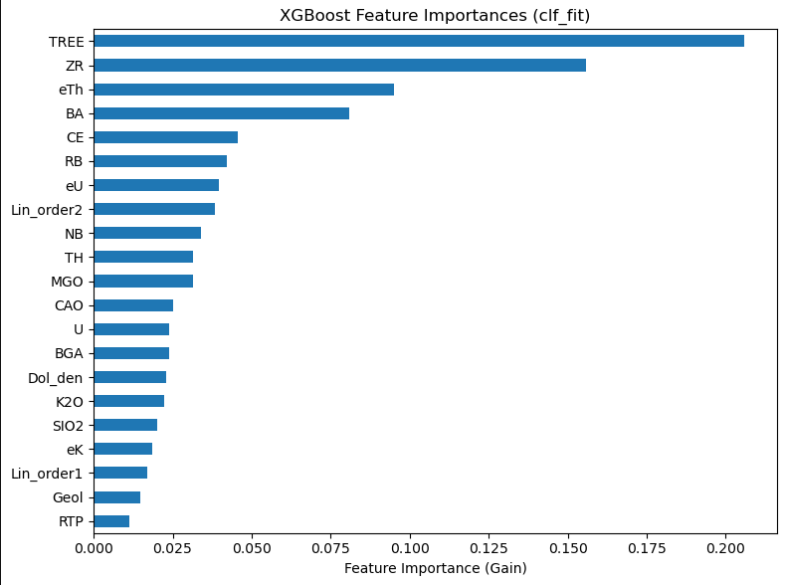

test_accuracy | 0.795361 | 0.048071 | 0.742336 | 3.46E-02 | 0.743629 | 0.026107 | 0.738736 | 0.031601 | 0.722956 | 0.061646 | 0.719335 | 0.017034
train_accuracy | 0.853787 | 0.012146 | 0.828981 | 1.11E-02 | 0.818955 | 0.006651 | 0.809842 | 0.010763 | 0.786752 | 0.008613 | 0.804684 | 0.014166
test_precision | 0.830771 | 0.037947 | 0.747825 | 4.55E-02 | 0.754054 | 0.034711 | 0.745427 | 0.042742 | 0.748341 | 0.065303 | 0.722169 | 0.015561
train_precision | 0.896378 | 0.015985 | 0.840935 | 1.67E-02 | 0.824366 | 0.00636 | 0.822203 | 0.017917 | 0.811211 | 0.015907 | 0.808487 | 0.014711
test_recall | 0.7493 | 0.072058 | 0.756387 | 4.84E-02 | 0.747059 | 0.047379 | 0.751709 | 0.052326 | 0.695098 | 0.068447 | 0.73986 | 0.066048
train_recall | 0.806135 | 0.017841 | 0.82329 | 9.11E-03 | 0.823288 | 0.019624 | 0.804367 | 0.007837 | 0.763006 | 0.006196 | 0.812662 | 0.019952
test_f1 | 0.787339 | 0.055254 | 0.750948 | 3.32E-02 | 0.749437 | 0.02719 | 0.747085 | 0.030158 | 0.720239 | 0.064372 | 0.729357 | 0.028475
train_f1 | 0.848745 | 0.013031 | 0.831939 | 9.77E-03 | 0.823689 | 0.008551 | 0.813081 | 0.008879 | 0.786277 | 0.00671 | 0.810461 | 0.014111

